DashBoard

HR ANALYITICS DASHBOARD
JOB SATISFACTION RATING
 | 0.54571428571
 | 0.45428571429
 | 2.7 | 2.3
2.7

Total Employees
Attrition
Attrition Rate
Active Employees
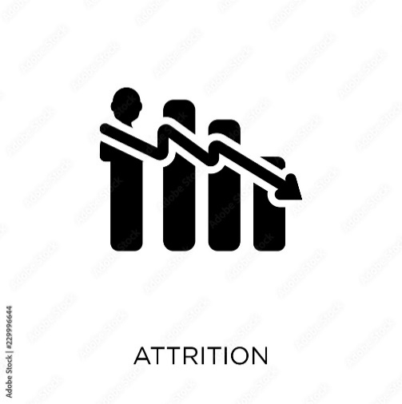
Average Age

1470
236
1234
37
16.05%

Total Employees By Gender
Education Wise Attrition
Attrition By Job Role

 | Total
Human Resources | 7
Other | 15
Marketing | 22
Technical Degree | 22
Medical | 74
Life Sciences | 96

 | 40%
 | 60%
 | 40%
 | 60%
882
588

Filter Panel
Department Wise Attrition
Attrition By Age Group
Attrition By Maritial Status
 | Total
25-35 | 116
18-25 | 44
35-45 | 42
45-55 | 26
Over 55 | 8

 | Total
Human Resources | 5.93%
Research & Development | 61.44%
Sales | 32.63%

